Feuil1


version 04,11,2021 |  | Weight (Kg.) | Long(X) | Moment | Lat. (Y) | Moment | Pilote
 |  | kg | Arm mm | m/kg | Arm mm | m/kg
Empty weight (AFM) |  | 431.90 | 2216 | 958 | -7 | -3 | Date
Right seat / pilot |  |  | 1300 | 0 | 320 | 0
Left seat |  |  | 1300 | 0 | -280 | 0
Right door | FALSE | 0 | 1250 | 0 | 600 | 0
Left door | FALSE | 0 | 1250 | 0 | -600 | 0
Main luggage compartment |  | 0 | 1854 | 0 | 323 | 0
Front luggage compartment |  | 0 | 325 | 0 | 0 | 0
 |  |  | C.G. 1 |  | C.G. 1
Zero fuel weight |  | 432 | 2218 | 958 | -7 | -3 |  | Consommation : 42 L/h - 30.24 kg - 0.7 L/min
 |  |  |  |  |  |  |  | 33 litres = réserve (45 ')
Fuel au départ / litres |  | 0.0 | 1833 | 0 | -313 | 0 |  | Jauge | Estimation Temps de vol |  | Act TOM
Max 170 litres - min 33 litres |  |  | C.G. 2 |  | C.G. 2 |  |  | Total | Vol | + Rés | Kg
Take-off weight |  | 431.9 | 2218 | 958 | -7 | -3 |  | Prévoir retour base avec 33 litres (45' réserve)
 |  |  |  |  |  |  |  | 33 | 0:00:00 | 0:45:00 | 456
MAX 700 kg |  |  |  |  |  |  |  | 40 | 0:10:00 | 0:55:00 | 461
 |  |  |  |  |  |  |  | 60 | 0:38:34 | 1:23:34 | 475
 |  |  |  |  |  |  |  | 75 | 1:00:00 | 1:45:00 | 486
 |  |  |  |  |  |  |  | 95 | 1:28:34 | 2:13:34 | 500
 |  |  |  |  |  |  |  | 115 | 1:57:09 | 2:42:09 | 515
 |  |  |  |  |  |  |  | 130 | 2:18:34 | 3:03:34 | 526
 |  |  |  |  |  |  |  | 150 | 2:47:09 | 3:32:09 | 540
 |  |  |  |  |  |  |  | 170 | 3:15:43 | 4:00:43 | 554

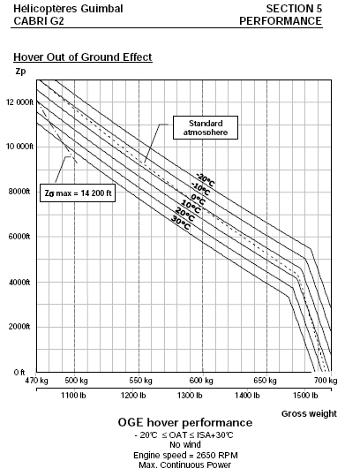
Longitudinal Weight and Balence
 | Zero fuel |  | Take-off |  | 1 |  | 2 |  | 3 |  | 4 |  | 5
2218 | 432 | 2218 | 431.9 | 2120 | 470 | 2120 | 500 | 2025 | 700 | 1915 | 700 | 1915 | 550
 |  |  |  |  |  |  |  | Unusable fuel : 1,5 litres
 |  |  |  |  |  |  |  | Do not rely on fuel quantity when Caution light or EPM warning is active : land !

 |  |  |  |  |  |  |  | General Limitations
 |  |  |  |  |  |  |  | Minimum crew : 1 pilot on right seat
 |  |  |  |  |  |  |  | Aerobatic flights prohibited
 |  |  |  |  |  |  |  | Voluntary in-flight shutdown is prohibited
 |  |  |  |  |  |  |  | Day VFR only (NVFR permitted according to onboard fligh instruments)
 |  |  |  |  |  |  |  | Icing conditions : flight prohibited
 |  |  |  |  |  |  |  | Snow :
 |  |  |  |  |  |  |  | - Flight under snow is allowed in non icing conditions and visibility more 1500 m
 |  |  |  |  |  |  |  | - Significant snow on windshied: land or acceleration (no hover flight)
 |  |  |  |  |  |  |  | Doors off or open :
 |  |  |  |  |  |  |  | - Operations approved with 1 or 2 doors off, unlocked or partially open (vent)
 |  |  |  |  |  |  |  | - No loose object in cabin
 |  |  |  |  |  |  |  | - Speed limitations : same as doors on and closed
 |  |  |  |  |  |  |  | Maximum operating altitude : 13'000 ft PA
 |  |  |  |  |  |  |  | VNE Power ON : 130 kts IAS - 2 kts / 1'000 ft PA
 |  |  |  |  |  |  |  | VNE Power OFF : 110 kts IAS - 2 kts / 1'000 ft PA

 | zero fuel |  | Take-off |  | Rotor |  | 1 |  | 2 |  | 3 |  | 4
2218 | -7 | 2218 | -7 | 2000 | 0 | 2120 | 80 | 2120 | -80 | 1915 | 80 | 1915 | -80

